Completed Items
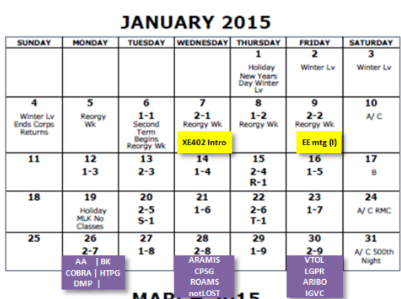
Done
 | Turn on the Grid and use Wireshark to view data |  | OTF | Complete | 4 | 0 | Wireshark has been capturing data but we've had some trouble capturing UDP packets
 | Create relational schema | chad | 2014-10-04 | tentative | 1 |  | Chad created this but it doesn’t have the securoity information added yet
 | Organize Wiring |  | 2014-10-04 |  |  |  | We rewired it to be better organized and work with out laptop better
 | Order tripod for camera |  | 2014-10-04
 | Build a provisional GUI in Visual Studio | Quintin & Ethan | 2014-10-04 |  | 2 |  | Gui is created on the desktop without any links to a database. It's really just a temporary design but hopefully we can transfer it over.
 | Active Domain Preparation | Chad & Mike | 2014-09-11
 | Create Network Diagram | Chad | 2014-09-11 | Done | 1

 | Set up computer workstation and wiring | Ethan |  | Complete | 1
 | Meet with the Test Bed Installers (Ask Questions) | ALL | 2014-09-11 | Complete | 8
 | C# Refresher and practice using Ethan's old project | Quintin & Ethan | 2014-09-11 |  | 1 |  | Complete
 | PLANNING & GOAL SETTING |  | 2014-10-04 |  | 4 | 8
 | Smart Grid orientation | Quintin | 2014-10-04 |  |  | 2
 | Plan sprint 2 video | ALL | 2014-10-04 |  |  | 2
 | Build picture of grid for the GUI | Ethan | 2014-10-04
 | Film video | ALL | 2014-10-04 |  |  | 2

 | Finish Setting up Open PDC | Chad & Mike | 2014-10-04 | Installed | 3 | 1 | Installed but was delayed. We're having trouble working out the connection format of the open PDC to our PMUs
 | Create a prototype GUI | Quintin & Ethan | 2014-10-04 | Completed on another computer | 5 | 3 | Install in progress but delayedbecuase of the computer delays
 | Set Up DHCP | Chad & Mike | 2014-10-04 | On HDD | 0 | 3 | Install in progress but delayed
 | Install SQLServer on our system | Quintin & Ethan | 2014-09-24 | Installed | 2 | 1 | Installed but was delayed. Compatibility issue with AGM version of windows used by USMA. We had to get a plan version of windows installed. Chad has been studying the functions of SQL server since its relatively new to all of us.
 | Install Visual Studio on our system | Quintin & Ethan | 2014-09-26 | On HDD | 2 | 1 | Will Install but was delayed
 | Write a work diary | Chad | 2014-09-09 | Done
 | Create a preliminary network diagram | Chad | 2014-09-09 | Done
 | Create 60 Elevator speech for video | Mike | 2014-09-09 | Done |  |  | Needs to include 5w's of the project and what we plan to do
 | Coordinate with the EE majors to get their task list for our video | Ethan | 2014-09-09 | Done
 | Create and initial set of user stories | Quentin | 2014-09-09 | Done
 | x--NO LONGER NEEDED--x An article for local paper(pointer view) |  |  | Canceled | Canceled
 | Learn more about Open PDC SQL formats and OS |  |  | Done | Can use mySQL or SQL Server. iPDC is on Linux, Open PDC for windows.
 | Prioritize backlog & Finish sprint backlog | Ethan | 2014-09-09 | Done

Sheet1
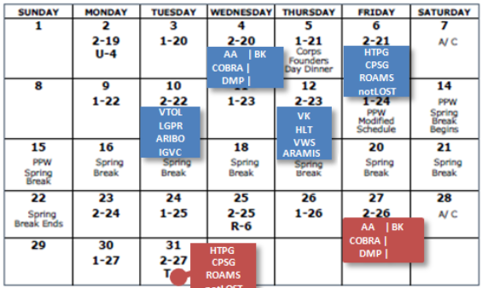
Expected sprint hours = 100.8= 5 work periods * 7 members *3 hours* 80% effectiveness
84
12

